Sheet1
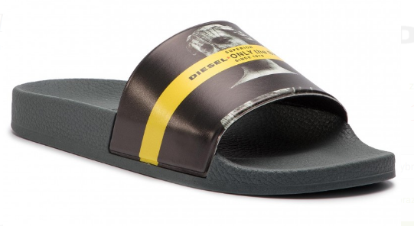
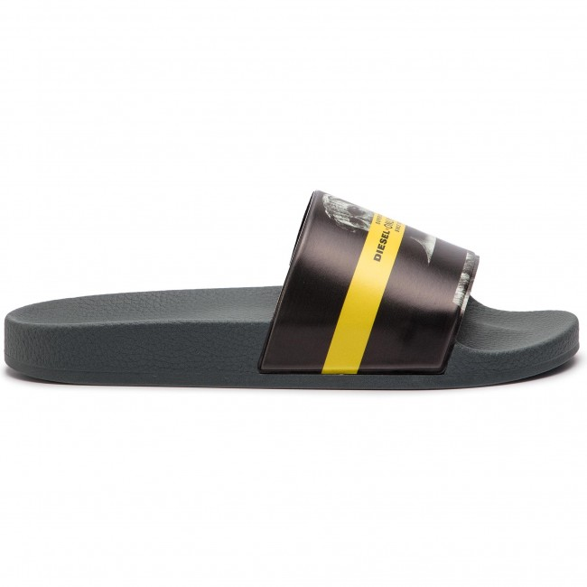
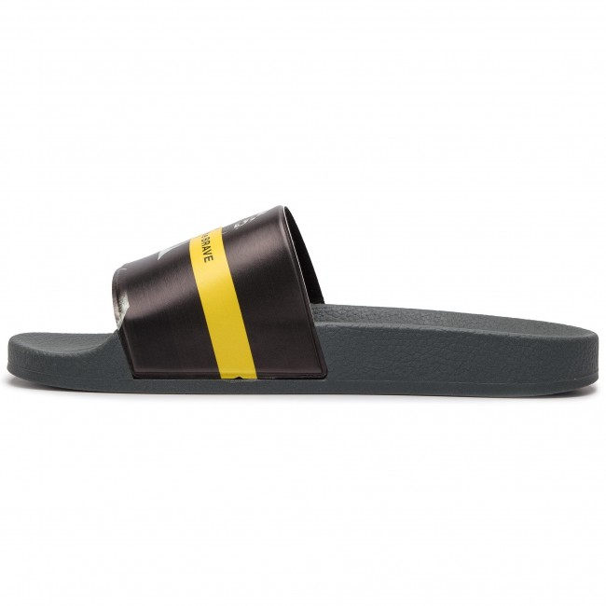
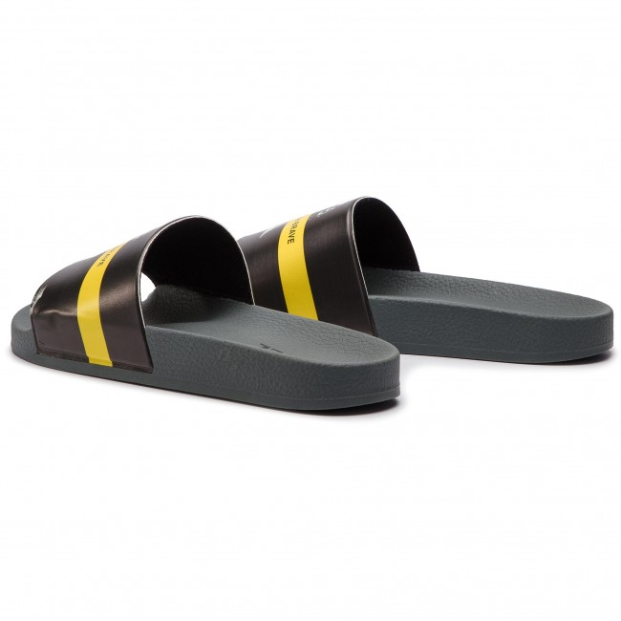
 |  |  | TO ORDER
PHOTO | BRAND | STYLE NAME | SKU | 40 | 42 | 44 | 46 | TOTAL PCS | PRICE
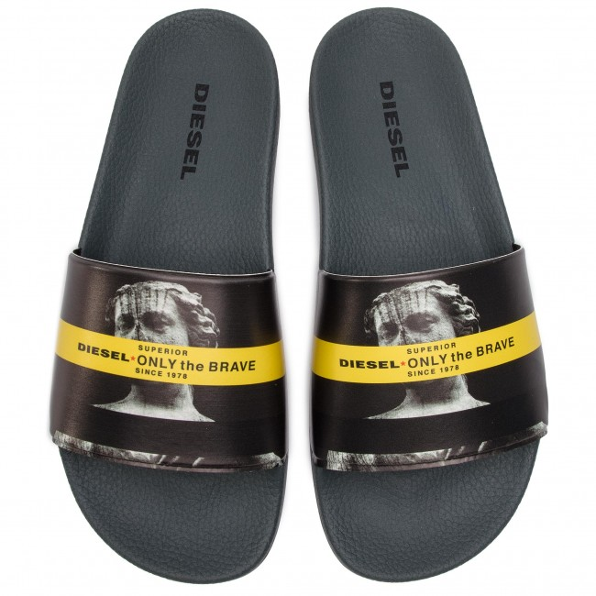 | DIESEL | VALLA VA VALLA SLIDERS | P2117-H7050-12 | 77 | 207 | 207 | 77 | 568 | £20.50

